COVER
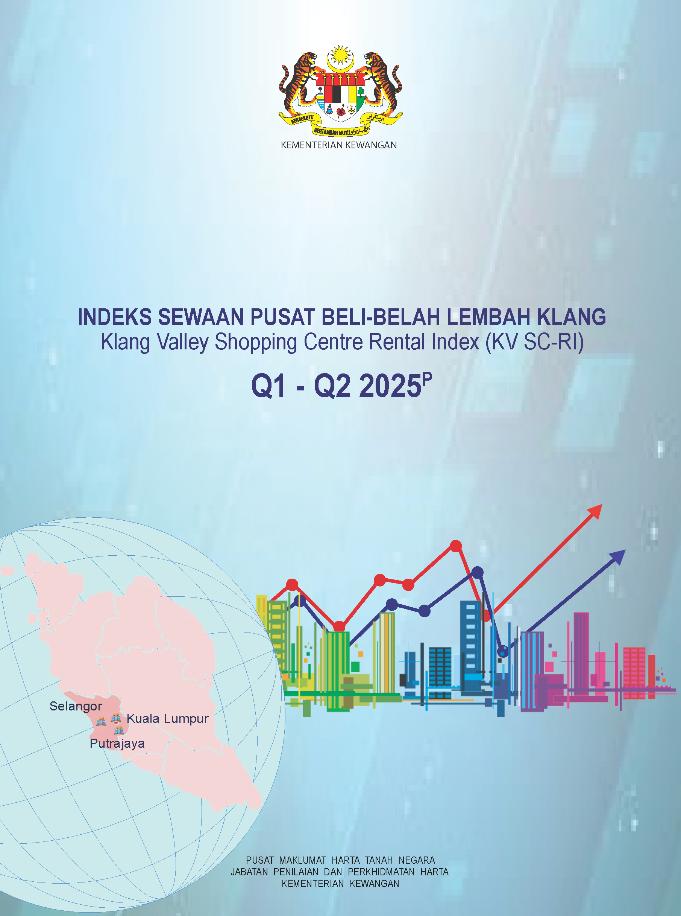

Technical Notes
KLANG VALLEY SHOPPING CENTRE RENTAL INDEX (KV SC-RI)

TECHNICAL NOTES

Introduction
Klang Valley Shopping Centre Rental Index (KVSC-RI) is the second commercial property rental indicator developed by National Property Information Centre (NAPIC), Valuation & Property Services Department. The first was Purpose-Built Office Rental Index (PBO-RI) published in 2012. KVSC-RI provides an overview of retail rental index for Klang Valley as an indicator and guide for the industry players.

Shopping Centre
Shopping centres are defined by NAPIC as purpose-built dominant retail establishments planned, developed and operated as a number of outlets within a centre for trade. In data capturing and dissemination by NAPIC, dominant means retail use not less than 75% of the net lettable area.

For the development of KVSC-RI, shopping centres are categorised into four classifications, namely Super Regional (SR), Regional Centre (RC), Neighbourhood Centre (NC) and Community Centre (CC). The classifications and characteristics of these shopping centres are as stated below:

Classification Of Shopping Centre | Characteristic / Concept | Typical Main Anchors | Net Lettable Area (s.f.)
Super Regional/ Hypermall | • Large-scale version of a regional mall. • Similar to regional mall but has more variety of fashion apparel, mass merchant and entertainment/ leisure. • Serves as the dominant shopping venue for the region within a certain radius • Catchment’s area/ Target drive time market: More than 1 hour • Target tourist both local and international • Number of anchors/ tenants 3-6 | • Supermarkets(s) • Department Stores • General/Specialize Merchandise Store • Cinema/ Entertainment/ Leisure | More than 1,000,000
Regional Centre | • General merchandise and/or fashion-oriented offerings. • Focus is on non-discretionary retail and entertainment/leisure. • Catchment’s area/ Target drive time market: Between 30 minutes to 1.5 hours • Number of anchors/ tenants 2-4 | • Supermarket(s) • Department Store(s) • General Merchandise Store (GMS) • Cinema/Leisure | 500,001 to 1,000,000
Neighbourhood/ Plaza Centre | • General merchandise and/or convenience-oriented offerings • Wider range of apparel and other discretionary retail with a heavy focus on foods & groceries, and other essential products. • Catchment’s area/ Target drive time market: Less than 30 minutes • Number of anchors/ tenants 2-3 | • Supermarket(s) • General Merchandise Store (GMS) • Department Store | 200,001 to 500,000
Community Centre | • A form of street retail concept /stand-alone building • F&B has been a great draw in malls • A platform of socializing • Convenience-oriented • Catchment’s area/ Target drive time market: Less than 15 minutes • Number of anchors/ tenants 1 - 2 | • Supermarket/gym/ school/spa | 50,000 to 200,000

Base Year
The base year for KVSC-RI is 2015. This year is used as the beginning or the reference year for index construction where an arbitrary value of 100.0 is assigned. Index computation however begins with Q1 2014 for quarterly and year 2015 for annually.

Rental Data Collection
Rental data is obtained from the Property Manager’s Returns (Form D) under Sub-rule 2(2), Second Schedule (Valuation and Property Services Rules) of the Valuers, Appraisers, Estate Agents and Property Managers Act 1981 (Act 242) and Rules. Each rental data is treated as one observation and included in the index computation if:

a) The lease period is at least four quarters (or one year);
b) The tenancy is for retail use and located on all floors except anchor tenant, basement, mezzanine, cinema, bowling centre, food court and kiosk: and

c) The rental information given in Form D is complete.

Data Update
Index for the current quarter is developed using available rental data. However, there is a possibility that new rental data are submitted to NAPIC in the future quarter. Hence, final index will be computed in the following two quarters. For instance, preliminary index for Q2 2021p is published in KVSC-RI Q1-Q2 2021 publication and the final index for Q2 2021f will be published in KVSC-RI Q3- Q4 2021 publication.

Methodology
The KVSC-RI is a hedonic rental index. The index is estimated based on a vector of characteristics (attributes) embodied in the shopping centre. The vector of characteristics, comprising mainly physical attributes, are those statistically identified as significant in determining the rental of shopping centre.

The significant attributes regressed in the hedonic model are Rental Per Square Metre, Location, Lettable Area, Number of Floors, Level of Floor, Building Area, Building Age and Tenancy Period.

Computation of Rental Index
The KVSC-RI is primarily developed from 15 separate rental models comprising:
· One model for the composite index (Klang Valley)
· Two models by state (WPKL and Selangor−including WP Putrajaya)
· Three models for each classification (SR, RC, NC and CC)

The 15 rental indices are Laspeyres Indices, which is computed by taking the ratio of the current rental of a selected area to the rental of the selected area at base year 2015 and multiplying it by 100. This can be translated into the following statistical formula:

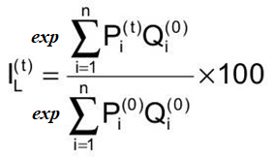

Where “exp” symbolizes ‘exponential’
Pi (t) = the hedonic regression model coefficient of variable Xi at current period, t
Pi (0) = the hedonic regression model coefficient of variable Xi at the base period, 0 (year 2015)
Qi (0) = the mean of variable Xi at the base period,0 (year 2015)

